JULY 2024
天意达企业有限公司
 | TINEDA ENTERPRISE LIMITED
ADD: BUILDING-4, NO 778 CHENGDIAN SOUTH ROAD, YIWU ZHEJIANG CHINA 322000

Item | image | COLOR | Quantity | Unit Price |  | Total amount
 |  |  | PCS | FOB
HAS MOULD | 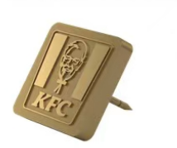 | GOLD | 16 | USD | 1.85 | USD | 29.60
 | 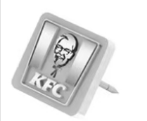 | RHODIUM | 34 | USD | 1.85 | USD | 62.90
NEED TO OPEN NEW MOULD |  | GOLD | 12 | USD | 2.05 | USD | 24.60
 |  | RHODIUM | 40 | USD | 2.05 | USD | 82.00
 | MOULD CHARGE |  | 1 | USD | 58.00 | USD | 58.00

